Athletes
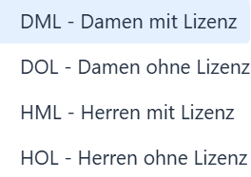
 | Nachname | Vorname | Klub/ Crossfit | Geburtsjahr | M/F | N/A - Category | Total | Gruppe
Bsp. | Stirnemann | Lukas | VZG | 1977 | M |  | 265 | HML

